General Data
 |  |  | USER-FRIENDLY BUILDING LIFE-CYCLE COST ANALYSIS
 |  |  | updated: April 2016
 |  |  | by M.S. Addison and Associates, Tempe, AZ marlin.addison@doe2.com
 |  |  | User input fields are indicated in blue.
 |  |  | IMPORTANT NOTE: This spreadsheet should be updated (replaced) every April, after DOE releases updated energy price escalation factors.
 |  |  | Visit http://www.doe2.com to download the current copy. |  |  |  |  |  |  |  | Occ/Use
 | non-annual recurring costs |  |  |  |  |  |  |  |  | Year # | Multiplier
 |  |  | Basic Data, this analysis |  | FY 2015 Federal Discount Rates: |  |  |  |  | 1 | 100%
 |  |  |  |  |  |  | real | nominal* |  | 2 | 100%
 |  | DOE/FEMP Fiscal Year | 2015 |  |  | DOE/FEMP | 3.0% | 4.4% |  | 3 | 100%
 |  |  |  |  |  | OMB 3-year | 0.0% | 1.4% | 0.014 | 4 | 100%
4 |  | Base Year (year analysis performed) | 2015 |  |  | 5-year | 0.4% | 1.8% |  | 5 | 100%
4 |  | Project Service Year (year project comes "On-Line") | 2015 |  |  | 7-year | 0.8% | 2.2% |  | 6 | 100%
 |  |  |  |  |  | 10-year | 1.3% | 2.7% |  | 7 | 100%
 |  | Real Discount Rate for Operations Costs (i.e., energy, labor) | 3.0% |  |  | 20-year | 2.1% | 3.5% |  | 8 | 100%
 |  | Real Discount Rate for Capital Costs (i.e., equipment) | 3.0% |  |  | 30-year | 2.3% | 4.2% | 0.018572825024 | 9 | 100%
 |  |  |  |  | * "nominal" assumes 0.1% effective general inflation |  |  |  |  | 10 | 100%
 |  | Study Period (years covered by the LCC analysis) | 25 |  |  |  |  |  |  | 11 | 100%
 |  | Service Period (number of project service years) | 25 |  | Convert: |  |  |  |  | 12 | 100%
 |  |  |  | (West) |  | Nominal-to-Real: | 3.1% | Nominal Discount Rate |  | 13 | 100%
 |  | DOE Fuel Price Escalation Region | 4 |  |  |  | 0.10% | General Inflation Rate |  | 14 | 100%
 |  | (1 through 4, see map below, 5=U.S. average) |  |  |  |  | 3.0% | Real Discount Rate |  | 15 | 100%
 |  |  |  | (Commercial) |  |  |  |  |  | 16 | 100%
 |  | Analysis Sector | 2 |  |  | Real-to-Nominal: | 3.0% | Real Discount Rate |  | 17 | 100%
 |  | (1=Residential; 2=Commercial; 3=Industrial) |  |  |  |  | 0.10% | General Inflation Rate |  | 18 | 100%
 |  |  |  | (Natural Gas) |  |  | 3.1% | Nominal Discount Rate |  | 19 | 100%
 |  | Second Fuel Type | 1 |  |  |  |  |  |  | 20 | 100%
 |  | (0=None, 1=N.Gas; 2=LPG, 3=Dist Oil; 4=Resid Oil; 5=Coal) |  |  |  |  |  |  |  | 21 | 100%
 |  |  |  |  |  |  |  |  |  | 22 | 100%
 |  | Uniform Electric Price Escalation Rate |  | (to use DOE escalation rates, which vary by year, leave this entry empty) |  |  |  |  |  | 23 | 100%
 |  | Uniform Natural Gas Price Escalation Rate |  | (to use DOE escalation rates, which vary by year, leave this entry empty) |  |  |  |  |  | 24 | 100%
 |  |  |  |  |  |  |  |  |  | 25 | 100%
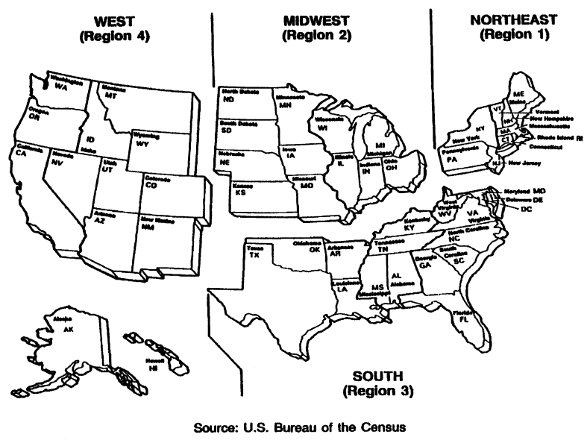

 |  |  |  |  |  |  |  |  | `

Graph
Cumulative Life-Cycle Savings
 | Single Pane Azurlite ** | Calif Series - Water White Crystal | Calif Series - Sea Foam Low-E Clear | Calif Series - Tahoe Blue | Viracon - VE1-55 - Low-E Clear | Viracon - VE1-85 - Low-E Clear | Viracon - VE7-55 - Low-E Azurlite | Viracon - VE7-85 - Low-E Azurlite | PPG - SolarBan 2000 *
0 | -$20,580 | -$427,740 | -$329,460 | -$277,980 | -$115,350 | -$120,030 | -$202,170 | -$191,240 | -$170,360
1 | $5,614 | -$391,903 | -$287,163 | -$235,568 | -$75,941 | -$100,665 | -$147,653 | -$146,560 | -$117,273
2 | $31,398 | -$356,625 | -$245,549 | -$193,813 | -$37,214 | -$81,664 | -$94,046 | -$102,640 | -$65,067
3 | $56,165 | -$322,740 | -$205,562 | -$153,710 | $32 | -$63,368 | -$42,514 | -$60,409 | -$14,885
4 | $80,017 | -$290,116 | -$166,989 | -$115,121 | $36,111 | -$45,550 | $7,296 | -$19,538 | $33,605
5 | $103,185 | -$258,436 | -$129,454 | -$77,668 | $71,375 | -$28,034 | $55,871 | $20,374 | $80,877
6 | $125,761 | -$227,573 | -$92,834 | -$41,197 | $105,891 | -$10,820 | $103,336 | $59,412 | $127,058
7 | $147,718 | -$197,559 | -$57,189 | -$5,739 | $139,553 | $6,010 | $149,580 | $97,469 | $172,046
8 | $168,989 | -$168,487 | -$22,630 | $28,598 | $172,256 | $22,402 | $194,460 | $134,426 | $215,699
9 | $189,588 | -$140,335 | $10,858 | $61,842 | $203,988 | $38,335 | $237,977 | $170,276 | $258,024
10 | $209,631 | -$112,948 | $43,459 | $94,177 | $234,930 | $53,902 | $280,376 | $205,221 | $299,255
11 | $229,166 | -$86,257 | $75,260 | $125,682 | $265,168 | $69,150 | $321,772 | $239,359 | $339,506
12 | $248,161 | -$60,305 | $106,188 | $156,313 | $294,588 | $83,994 | $362,038 | $272,570 | $378,657
13 | $266,524 | -$35,215 | $136,082 | $185,928 | $323,016 | $98,331 | $400,953 | $304,663 | $416,495
14 | $284,226 | -$11,030 | $164,903 | $214,474 | $350,432 | $112,163 | $438,477 | $335,611 | $452,980
15 | $301,364 | $12,385 | $192,814 | $242,108 | $376,997 | $125,576 | $474,825 | $365,596 | $488,320
16 | $317,983 | $35,087 | $219,889 | $268,898 | $402,794 | $138,617 | $510,104 | $394,707 | $522,618
17 | $334,116 | $57,125 | $246,193 | $294,897 | $427,902 | $151,339 | $544,408 | $423,030 | $555,964
18 | $349,813 | $78,564 | $271,799 | $320,186 | $452,374 | $163,758 | $577,822 | $450,628 | $588,442
19 | $365,071 | $99,403 | $296,702 | $344,763 | $476,204 | $175,869 | $610,339 | $477,496 | $620,045
20 | $379,916 | $119,675 | $320,948 | $368,666 | $499,446 | $187,707 | $642,026 | $503,691 | $650,836
21 | $394,369 | $139,408 | $344,569 | $391,928 | $522,125 | $199,282 | $672,919 | $529,243 | $680,854
22 | $408,465 | $158,654 | $367,613 | $414,614 | $544,265 | $210,590 | $703,068 | $554,185 | $710,147
23 | $422,217 | $177,429 | $390,109 | $436,739 | $565,913 | $221,668 | $732,523 | $578,564 | $738,762
24 | $435,633 | $195,741 | $412,078 | $458,313 | $587,106 | $232,546 | $761,323 | $602,419 | $766,736
25 | $448,724 | $213,608 | $433,537 | $479,355 | $607,856 | $243,226 | $789,486 | $625,763 | $794,087

Hint: | to eliminate unused cases, hide unused rows on the 'Results Summary' worksheet.

